5- How to save Excel as a CSV
Table Of Contents | CSV - GPO Admin Fee template

 | *How to convert an existing Excel file into a .csv format: | \
 | The following instructions are based on version office 2007 or lower.
 | 1. Open your excel file.
 | 2. Click on File and Save as.
 | 3. Select where you would like to save the file (like your desktop or a drive).
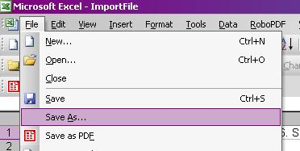

 | 4. In the File Name area, name your document.
 | 5. In the Save as Type area, select CSV(Comma Delimited) from the pull down menu.

 | 6. Click Save.
 | 7. You may receive one or two warning about the formatting of .csv, click yes.
 | 8. Saving the resulting file with Notepad with .csv as the extension provides a .csv file.

